Sheet1
NOTE: All calculations on this page are an estimate only. Our products are made from approx 97% recycled plastic with 3% of colour additive & UV stabalizer.
The recycled plastic that we use is not limited to plastic packaging. We source our materials from post consumer & post industrial waste streams.

Waste to Replas Conversion Tool
Simple indicator that can be used to calculate what client is saving from landfill.

 | Calculator
Input the weight of Replas product into orange box, to get approximate number of packaging (equivalent) & the cubic metre space they would take up in landfill.

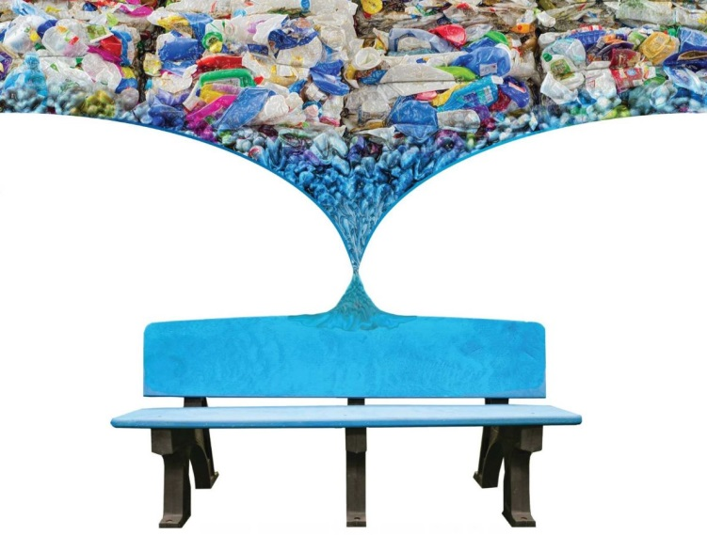
 | Weight of Product | 85 | kg
 | Weight of Plastic Packaging | 0.004 | kg
 | Packaging Per Cubic Metre | 75,000

 | Plastic Packaging equivalent
 | No. of Plastic Packaging Per Product | 21,250 | Packaging
 | Landfill Space | 0.28 | Cubic Metre

> 1 x Standard Plastic Packaging = 4 grams
> 1 kg of Replas product = 250 Plastic Packaging
1 cubic metre = 300 kg of plastic packaging = 75,000 packaging per cubic metre approximately

 | Common Replas Products | Weight (kg) (Estimate Only) | No. of Packages (Equivalent)
 | bollards
 | 100 mm square bollard | 9 | 2,250
 | 125 mm square bollard | 10 | 2,500
 | 145 mm square bollard | 11 | 2,750
 | 150 mm round bollard | 14 | 3,500
 | Brolga bollard | 14 | 3,500
 | Maritime bollard | 10 | 2,500
 | Enduroplank
 | Enduroplank square metre | 30 | 7,500
 | Furniture
 | Premier 1800 mm bench | 31 | 7,750
 | Kimberley 1800 mm seat | 65 | 16,250
 | Premier 1800 mm setting | 156 | 39,000
 | Signage
 | Plank sign single 1800 mm | 42 | 10,500
 | Podium sign | 35 | 8,750
 | Other
 | Garden panel | 14 | 3,500
 | Wheel Stop | 13 | 3,250
 | Speed hump | 16 | 4,000
 | Tree guard | 67 | 16,750

